Dashboard


Dashboard2
Average Income 2017

Cars Brand in 2017

Model Years
Top 2014 / Lowest 1997

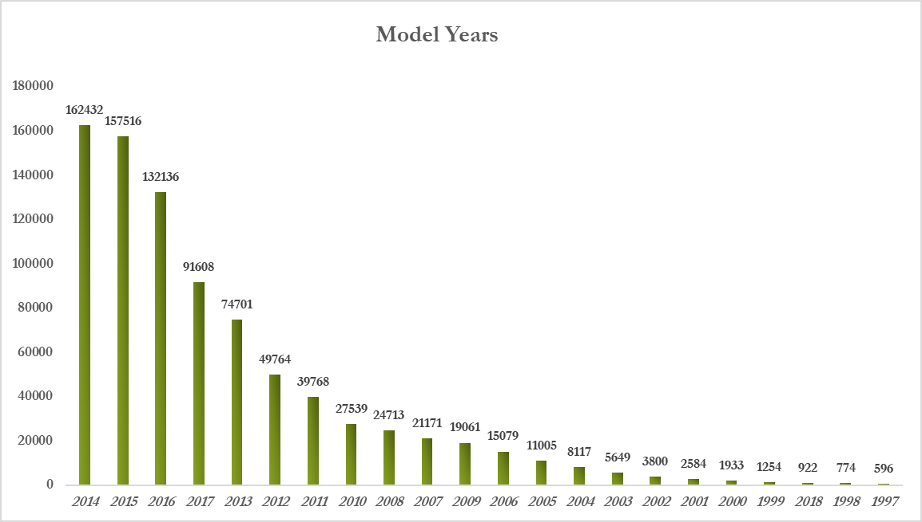

Car sales at 10 cities in 2017
Top Cities Houston / san Antonio / Miami

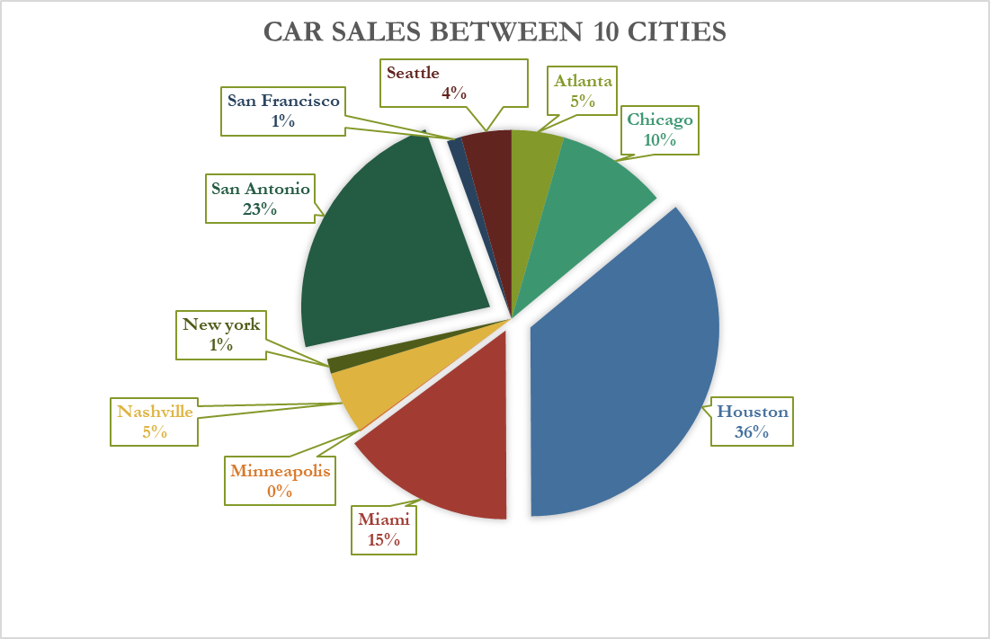

percentage of car sales vs all cities in usa

Sheet2
Perssure Average 2017 |  | Wind speed Average |  | temperature Average 2017 |  | Wind direction Average |  | Humidity Average 2017
Atlanta | 1021 | Atlanta | 2.2 | Atlanta | 290 | Atlanta | 192 | Atlanta | 71
Chicago | 1019 | Chicago | 3.8 | Chicago | 283 | Chicago | 191 | Chicago | 74
Houston | 1020 | Houston | 3.0 | Houston | 294 | Houston | 154 | Houston | 74
Miami | 1020 | Miami | 3.2 | Miami | 298 | Miami | 143 | Miami | 76
Minneapolis | 1017 | Minneapolis | 3.4 | Minneapolis | 281 | Minneapolis | 200 | Minneapolis | 71
Nashville | 1020 | Nashville | 2.4 | Nashville | 289 | Nashville | 181 | Nashville | 68
New York | 1017 | New York | 3.2 | New York | 285 | New York | 196 | New York | 67
San Antonio | 1018 | San Antonio | 3.0 | San Antonio | 294 | San Antonio | 142 | San Antonio | 68
San Francisco | 1019 | San Francisco | 2.8 | San Francisco | 288 | San Francisco | 209 | San Francisco | 77
Seattle | 1021 | Seattle | 2.1 | Seattle | 284 | Seattle | 161 | Seattle | 77

Wind speed

temperature Average 2017

Sheet6
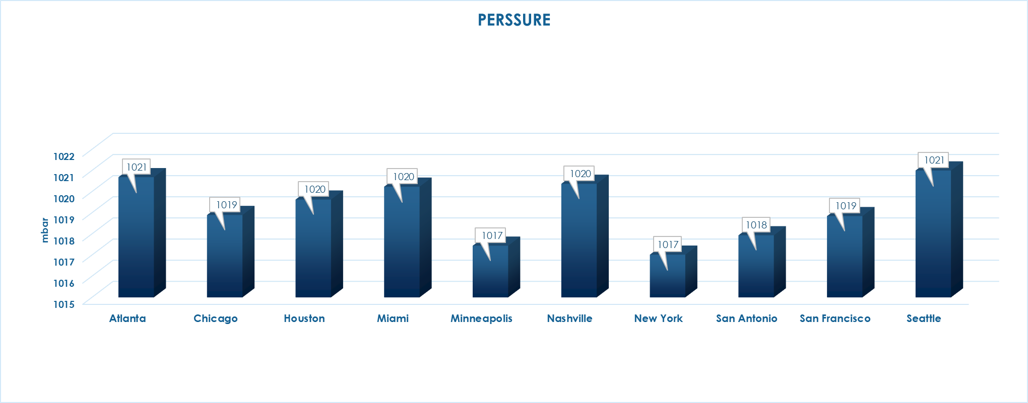
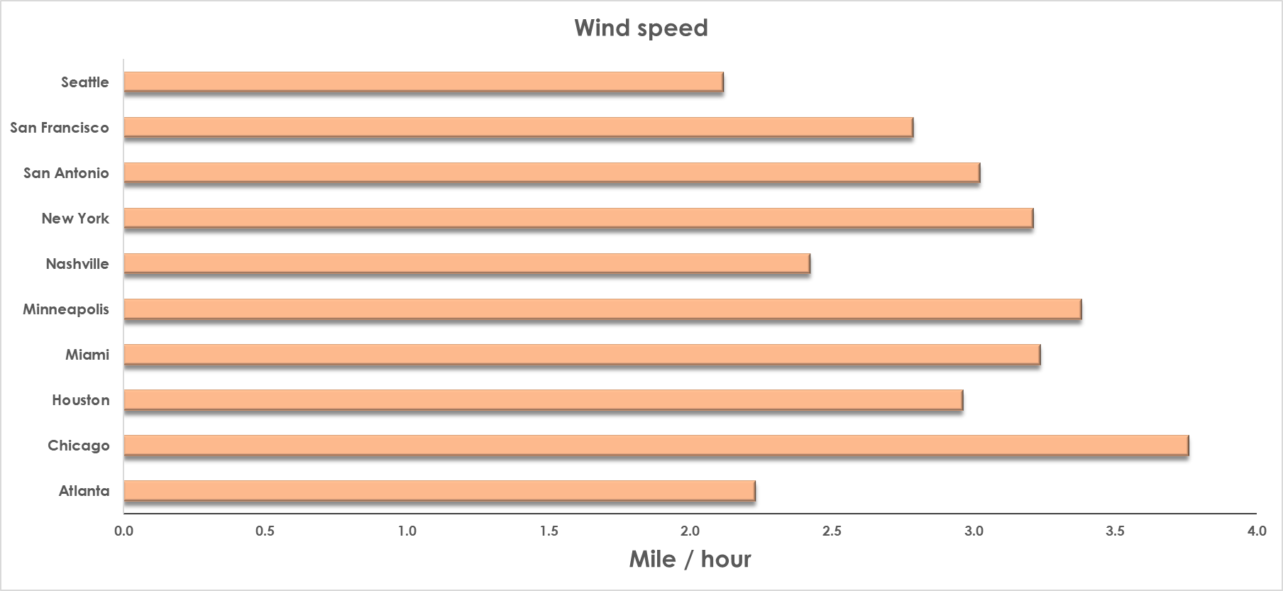
Weather Average in 2017

temperature
Atlanta | 290
Chicago | 283
Houston | 294
Miami | 298
Minneapolis | 281
Nashville | 289
New York | 285
San Antonio | 294
San Francisco | 288
Seattle | 284

PERSSURE
Atlanta | 1021
Chicago | 1019
Houston | 1020
Miami | 1020
Minneapolis | 1017
Nashville | 1020
New York | 1017
San Antonio | 1018
San Francisco | 1019
Seattle | 1021

Income
Average income
 | Median
Chicago | 45905.5
Houston | 51903
Miami | 45951
Minneapolis | 50330
Nashville | 48392
New York | 68128
San Antonio | 46222
San Francisco | 84786
Seattle | 75283
City | Median
Atlanta | 51177
Chicago | 45905.5
Houston | 51903
Miami | 45951
Minneapolis | 50330
Nashville | 48392
New York | 68128
San Antonio | 46222
San Francisco | 84786
Seattle | 75283

Sheet3
Car sales in 2017
Brand | Total Count
Ford | 110432
Chevrolet | 102268
Toyota | 77786
Nissan | 66250
Honda | 50193
Jeep | 40373
Hyundai | 35837
Dodge | 34368
BMW | 32415
GMC | 29008
Kia | 28636
Mercedes-Benz | 26323
Volkswagen | 23249
Lexus | 20641
Ram | 19808
Subaru | 16428
Chrysler | 16357
Cadillac | 15047
Mazda | 13365
Audi | 12618
Buick | 12491
INFINITI | 12258
Acura | 11049
Lincoln | 7120
Volvo | 5106
MINI | 4375
Porsche | 4106
Land | 4096
Mitsubishi | 4080
Scion | 3043
Jaguar | 2200
Pontiac | 1783
FIAT | 1782
Mercury | 1076
Maserati | 1047
Saturn | 963
HUMMER | 949
smart | 713
Bentley | 367
Ferrari | 345
Suzuki | 334
Saab | 260
Tesla | 231
Aston | 149
Genesis | 141
Oldsmobile | 122
Lamborghini | 121
Rolls-Royce | 92
Isuzu | 76
Plymouth | 51
McLaren | 47
Alfa | 44
Lotus | 42
Fisker | 19
AM | 19
Freightliner | 11
Maybach | 10
Geo | 2

Sheet4
Model Years
Year | Count | Percentage of this Year
2014 | 162432 | 19.06%
2015 | 157516 | 18.49%
2016 | 132136 | 15.51%
2017 | 91608 | 10.75%
2013 | 74701 | 8.77%
2012 | 49764 | 5.84%
2011 | 39768 | 4.67%
2010 | 27539 | 3.23%
2008 | 24713 | 2.90%
2007 | 21171 | 2.48%
2009 | 19061 | 2.24%
2006 | 15079 | 1.77%
2005 | 11005 | 1.29%
2004 | 8117 | 0.95%
2003 | 5649 | 0.66%
2002 | 3800 | 0.45%
2001 | 2584 | 0.30%
2000 | 1933 | 0.23%
1999 | 1254 | 0.15%
2018 | 922 | 0.11%
1998 | 774 | 0.09%
1997 | 596 | 0.07%

Sheet5
car sales between 10 cities
Atlanta | 1582 | 0.19%
Chicago | 3354 | 0.39%
Houston | 12703 | 1.49%
Miami | 5250 | 0.62%
Minneapolis | 55 | 0.01%
Nashville | 1888 | 0.22%
New york | 450 | 0.05%
San Antonio | 8078 | 0.95%
San Francisco | 439 | 0.05%
Seattle | 1525 | 0.18%

Percentage of car sales vs all cities in US 2017

